Free Form 17-18
 |  |  |  | Ms. Slozak's Specials' Calendar
 |  |  |  |  | 2017 - 2018

Jul |  |  |  | 2017 | Aug |  |  |  | 2017 | Sep |  |  |  | 2017 | Oct |  |  |  | 2017
M | T | W | T | F | M | T | W | T | F | M | T | W | T | F | M | T | W | T | F
3 | 4 | 5 | 6 | 7 |  | 1 | 2 | 3 | 4 |  |  |  |  | 1 | 2 | 3 | 4 | 5 | 6
 |  |  |  |  |  | à | à | à | à |  |  |  |  | Art | Media | Art | Art | Music | X
10 | 11 | 12 | 13 | 14 | 7 | 8 | 9 | 10 | 11 | 4 | 5 | 6 | 7 | 8 | 9 | 10 | 11 | 12 | 13
Media | Art | Music | PE | Media | à | à | à | à | à | No School | Music | PE | Media | Tech | PE | Media | Art | Art | Music
17 | 18 | 19 | 20 | 21 | 14 | 15 | 16 | 17 | 18 | 11 | 12 | 13 | 14 | 15 | 16 | 17 | 18 | 19 | 20
Media | Art | Music | PE | Media | à | à | à | à | à | Art | X | Music | PE | Media | PE | Media | Art | Art | Music
1 | 2 | 3 | 4 | 5 | 21 | 22 | 23 | 24 | 25 | 18 | 19 | 20 | 21 | 22 | 23 | 24 | 25 | 26 | 27
Media | Art | Music | PE | Media | Music | PE | Media | Tech | Art | Tech | Art | Music | PE | Media | Tracked out | à | à | à | à
31 |  |  |  |  | 28 | 29 | 30 | 31 |  | 25 | 26 | 27 | 28 | 29 | 30 | 31
Tracked out |  |  |  |  | Music | PE | Media | Tech |  | Tech | Art | Music | PE | Media | à | à

Nov |  |  |  | 2017 | Dec |  |  |  | 2017 | Jan |  |  |  | 2018 | Feb |  |  |  | 2018
M | T | W | T | F | M | T | W | T | F | M | T | W | T | F | M | T | W | T | F
 |  | 1 | 2 | 3 |  |  |  |  | 1 | 1 | 2 | 3 | 4 | 5 |  |  |  | 1 | 2
 |  | à | à | à |  |  |  |  | PE | No School | Music | PE | Media | Art |  |  |  | à | à
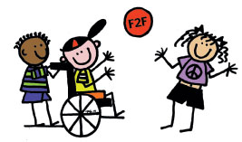
6 | 7 | 8 | 9 | 10 | 4 | 5 | 6 | 7 | 8 | 8 | 9 | 10 | 11 | 12 | 5 | 6 | 7 | 8 | 9
à | à | à | à | No School | Media | Tech | Art | Music | PE | Music | Music | PE | Media | Art | à | à | à | à | à
13 | 14 | 15 | 16 | 17 | 11 | 12 | 13 | 14 | 15 | 15 | 16 | 17 | 18 | 19 | 12 | 13 | 14 | 15 | 16
PE | Media | X | Tech | Art | Media | Tech | Art | Music | PE | No School | Music | Music | PE | Media | PE | Media | Tech | Art | Music
20 | 21 | 22 | 23 | 24 | 18 | 19 | 20 | 21 | 22 | 22 | 23 | 24 | 25 | 26 | 19 | 20 | 21 | 22 | 23
Music | PE | No School | No School | No School | Media | Tech | Art | X | No School | Tracked out | à | à | à | à | PE | Media | Tech | Art | Music
27 | 28 | 29 | 30 |  | 25 | 26 | 27 | 28 | 29 | 29 | 30 | 31 |  |  | 26 | 27 | 28
Media | Tech | Art | Music |  | No School | No School | No School | No School | No School | à | à | à |  |  | PE | Media | Tech

Mar |  |  |  | 2018 | Apr |  |  |  | 2018 | May |  |  |  | 2018 | Jun |  |  |  | 2018
M | T | W | T | F | M | T | W | T | F | M | T | W | T | F | M | T | W | T | F
 |  |  | 1 | 2 | 2 | 3 | 4 | 5 | 6 |  | 1 | 2 | 3 | 4 |  |  |  |  | 1
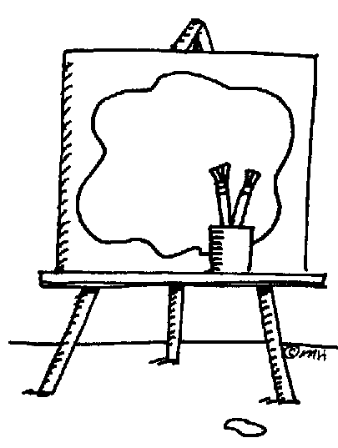
 |  |  | Art | Music | PE | Media | Art | Music | PE |  | à | à | à | à |  |  |  |  | PE
5 | 6 | 7 | 8 | 9 | 9 | 10 | 11 | 12 | 13 | 7 | 8 | 9 | 10 | 11 | 4 | 5 | 6 | 7 | 8
PE | Media | Tech | Art | Music | PE | Media | Art | Music | PE | à | à | à | à | Media | Media | Tech | Art | Music | PE
12 | 13 | 14 | 15 | 16 | 16 | 17 | 18 | 19 | 20 | 14 | 15 | 16 | 17 | 18 | 11 | 12 | 13 | 14 | 15
PE | Media | Tech | Art | Music | PE | Media | Art | Tracked out | à | Tech | Art | Music | PE | Media | X | Media | Tech | Art | Music
19 | 20 | 21 | 22 | 23 | 23 | 24 | 25 | 26 | 27 | 21 | 22 | 23 | 24 | 25 | 18 | 19 | 20 | 21 | 22
PE | Media | Tech | Art | Music | à | à | à | à | à | Tech | Art | Music | PE | Media | PE | Media | Tech | Art | Music
26 | 27 | 28 | 29 | 30 | 30 |  |  |  |  | 28 | 29 | 30 | 31 |  | 25 | 26 | 27 | 28 | 29
Media | Art | Music | PE | No School | à |  |  |  |  | No School | Tech | Art | Music |  | PE | Media | Tech | Art | X

 |  |  |  |  | X indicates a specialist workday. There will be no specials on those dates.

